Analysis
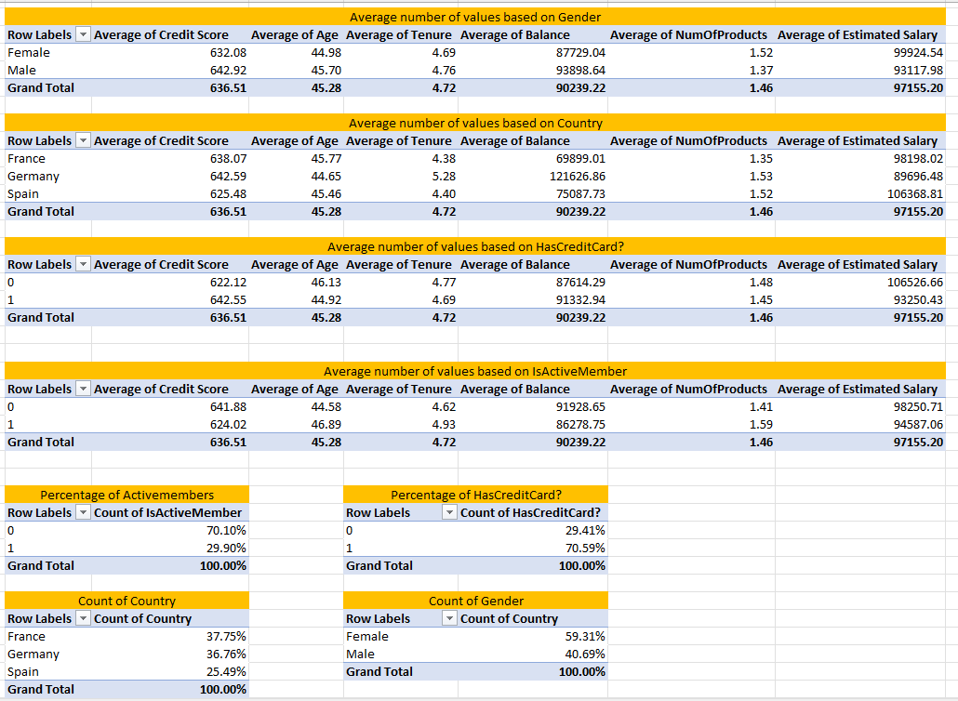
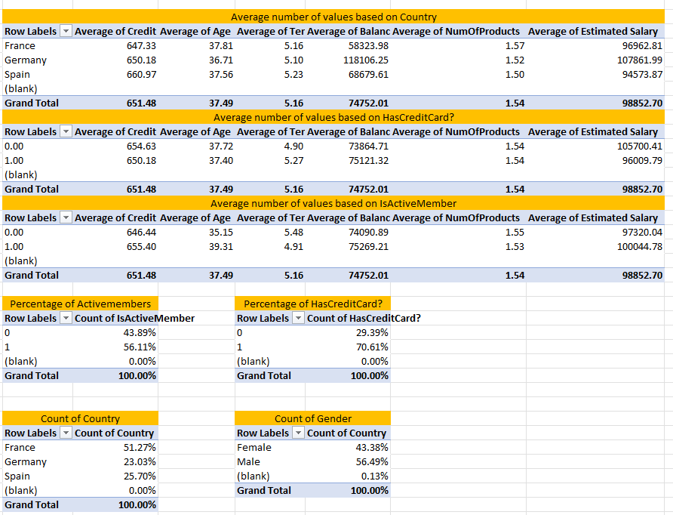
 | Exited from Bank | Not Exited from Bank | People Exited from the Bank | People Not Exited from the Bank
Credit Score | People who exit from the Bank generally have credit score in 600s. Male has little higher credit score than female. Spain has the lowest Credit Score. | People who haven't exited from the bank has higher credit score than those who exit from the bank. This appleis for both male, female and differen countries
Age | Average age of the people who Exited from the bank is 45. | Average age of the people who NotExited from the bank is 37.
Gender | Of those who have exited from the bank, 60% are female | Of those who have not exited from the bank, 43% are female
Country | Of the customers, who have exited the bank 37% are French and German | Of the customers, who have not exited the bank 51% are French
Tenure | The average of tenure is 4 | Average of tenure is 5
Balance | Average balance of people who Exited from the bank is 90239, among of them male have a higher balance than female based on Gender and Germany's people has a higher Balance than other countries people. | Average balance of people who NotExited from the bank is 74830, among of them female have a higher balance than male and Germany's people have a higher balance than other country's people
Estimated Salary | The Average Estimated salary of people who Existed from the bank is around 97 thousands . Female has higher Estimated salary than male and Spain has higher Estimated salary than other countries. | People who haven't Exited from the bank have around 99 thousands of average Estimated salary . Male has higher average of estimated salary than female and Germany has highest average of estimated salary than other countries. People who don't have credit card and active member has highest salary.

Decision Tree
